Scale gap
 | Modern | Shallow | Deep |  | Maier, A., Tharandt, L., Linsel, F. et al. Where the Grass is Greener — Large-Scale Phenological Patterns and Their Explanatory Potential for the Distribution of Paleolithic Hunter-Gatherers in Europe. J Archaeol Method Theory 31, 918–945 (2024). https://doi.org/10.1007/s10816-023-09628-3
Range shifts | https://doi.org/10.1016/j.anbehav.2009.10.027 //https://doi.org/10.1016/j.bulm.2003.10.010 | Zedeño, M.N., 2016. The archaeology of territory and territoriality. In Handbook of landscape archaeology (pp. 210-217). Routledge. //https://doi.org/10.1371/journal.pone.0051106 | https://doi.org/10.1098/rspb.2008.1199 |  | Azevedo-Schmidt, L., Meineke, E.K. and Currano, E.D., 2022. Insect herbivory within modern forests is greater than fossil localities. Proceedings of the National Academy of Sciences, 119(42), p.e2202852119.
Ecosystem assembly | https://doi.org/10.1146/annurev.ecolsys.31.1.343 | https://doi.org/10.5822/978-1-61091-698-1_9 | https://doi.org/10.1073/pnas.1820863116 // https://doi.org/10.1098/rspb.2011.0936 |  | Labandeira, C.C. and Wappler, T., 2023. Arthropod and pathogen damage on fossil and modern plants: Exploring the origins and evolution of herbivory on land. Annual Review of Entomology, 68(1), pp.341-361.
Biotic drivers of evoltuion | https://doi.org/10.1111/j.1461-0248.2011.01645.x // https://doi.org/10.1146/annurev.ecolsys.39.110707.173434 | https://doi.org/10.1016/j.jtbi.2022.111004 // https://doi.org/10.1177/1474704921106660 | https://doi.org/10.1098/rspb.2021.1632 |  | Médail, F., Pasta, S. The Intermittent History of Exploitation of Terrestrial Biotic Resources on the Small Islands of the Western Mediterranean Basin. Hum Ecol 52, 397–408 (2024). https://doi.org/10.1007/s10745-024-00503-7
Extinction | https://doi.org/10.1093/aesa/saz007 | https://doi.org/10.15184/aqy.2021.38 // https://doi.org/10.1371/journal.pone.0263504 |  | https://doi.org/10.1038/416420a | Mertens, D., Boege, K., Kessler, A., Koricheva, J., Thaler, J.S., Whiteman, N.K. and Poelman, E.H., 2021. Predictability of biotic stress structures plant defence evolution. Trends in Ecology & Evolution, 36(5), pp.444-456.
Nutrient cycling | https://doi.org/10.1016/j.cub.2023.04.024 /// https://doi.org/10.1111/gcb.16293 | https://doi.org/10.1111/geb.13370 | https://doi.org/10.1073/pnas.1901785116 ///https://doi.org/10.1146/annurev-earth-040722-104845 |  | de la Torre Cerro, R. and Holloway, P., 2021. A review of the methods for studying biotic interactions in phenological analyses. Methods in Ecology and Evolution, 12(2), pp.227-244.
Phenology | https://doi.org/10.1111/gcb.15600 // https://doi.org/10.1111/2041-210X.13519 | https://doi.org/10.1007/s10816-023-09628-3 // https://doi.org/10.1111/j.1365-2486.2011.02515.x | https://doi.org/10.1073/pnas.2202852119 |  | Schradin, C., Schmohl, G., Rödel, H.G., Schoepf, I., Treffler, S.M., Brenner, J., Bleeker, M., Schubert, M., König, B. and Pillay, N., 2010. Female home range size is regulated by resource distribution and intraspecific competition: a long-term field study. Animal Behaviour, 79(1), pp.195-203.
Life history | DOI: 10.1016/j.tree.2020.12.009 | https://doi.org/10.1007/s10745-024-00503-7 / https://doi.org/10.1371/journal.pone.0263504 | https://doi.org/10.1146/annurev-ento-120120-102849 |  | Potapov, A.B., Lewis, M.A. Climate and competition: The effect of moving range boundaries on habitat invasibility. Bull. Math. Biol. 66, 975–1008 (2004). https://doi.org/10.1016/j.bulm.2003.10.010
 |  |  |  |  | Zedeño, M.N., 2016. The archaeology of territory and territoriality. In Handbook of landscape archaeology (pp. 210-217). Routledge. //https://doi.org/10.1371/journal.pone.0051106
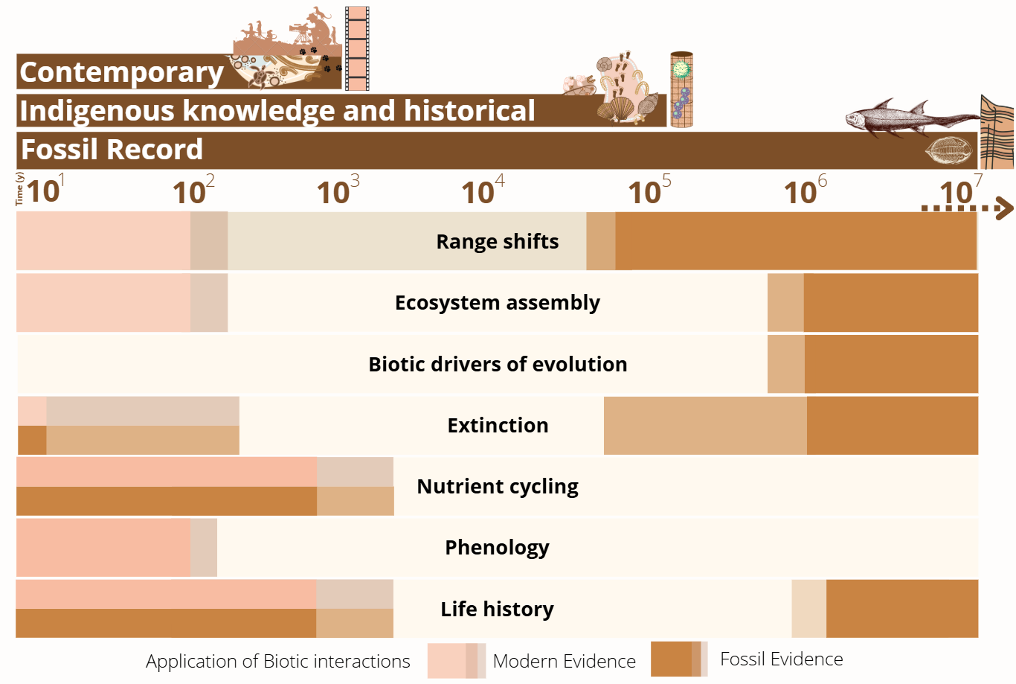
 |  |  |  |  | Price, T.D. and Kirkpatrick, M., 2009. Evolutionarily stable range limits set by interspecific competition. Proceedings of the Royal Society B: Biological Sciences, 276(1661), pp.1429-1434.
 |  |  |  |  | Chesson, P., 2000. Mechanisms of maintenance of species diversity. Annual review of Ecology and Systematics, 31(1), pp.343-366.
 |  |  |  |  | Temperton, V.M., Baasch, A., von Gillhaussen, P., Kirmer, A. (2016). Assembly Theory for Restoring Ecosystem Structure and Functioning: Timing is Everything?. In: Palmer, M.A., Zedler, J.B., Falk, D.A. (eds) Foundations of Restoration Ecology. Island Press, Washington, DC. https://doi.org/10.5822/978-1-61091-698-1_9
 |  |  |  |  | Chen, M., Strömberg, C.A. and Wilson, G.P., 2019. Assembly of modern mammal community structure driven by Late Cretaceous dental evolution, rise of flowering plants, and dinosaur demise. Proceedings of the National Academy of Sciences, 116(20), pp.9931-9940.
 |  |  |  |  | Olszewski, T.D., 2012. Persistence of high diversity in non-equilibrium ecological communities: implications for modern and fossil ecosystems. Proceedings of the Royal Society B: Biological Sciences, 279(1727), pp.230-236.
 |  |  |  |  | Amarasekare, P., 2008. Spatial dynamics of foodwebs. Annual Review of Ecology, Evolution, and Systematics, 39(1), pp.479-500.
 |  |  |  |  | Pau, S., Wolkovich, E.M., Cook, B.I., Davies, T.J., Kraft, N.J., Bolmgren, K., Betancourt, J.L. and Cleland, E.E., 2011. Predicting phenology by integrating ecology, evolution and climate science. Global change biology, 17(12), pp.3633-3643.
 |  |  |  |  | Poisot, T., Bever, J.D., Nemri, A., Thrall, P.H. and Hochberg, M.E., 2011. A conceptual framework for the evolution of ecological specialisation. Ecology letters, 14(9), pp.841-851.
 |  |  |  |  | Hernández-Yáñez, H., Kim, S.Y. and Che-Castaldo, J.P., 2022. Demographic and life history traits explain patterns in species vulnerability to extinction. PloS one, 17(2), p.e0263504.
 |  |  |  |  | Pires, M.M., 2024. The restructuring of ecological networks by the Pleistocene extinction. Annual Review of Earth and Planetary Sciences, 52.
 |  |  |  |  | Bullen, C.D., Campos, A.A., Gregr, E.J., McKechnie, I. and Chan, K.M., 2021. The ghost of a giant–Six hypotheses for how an extinct megaherbivore structured kelp forests across the North Pacific Rim. Global Ecology and Biogeography, 30(10), pp.2101-2118.
 |  |  |  |  | Flores, B.M. and Staal, A., 2022. Feedback in tropical forests of the Anthropocene. Global Change Biology, 28(17), pp.5041-5061.

Data framework
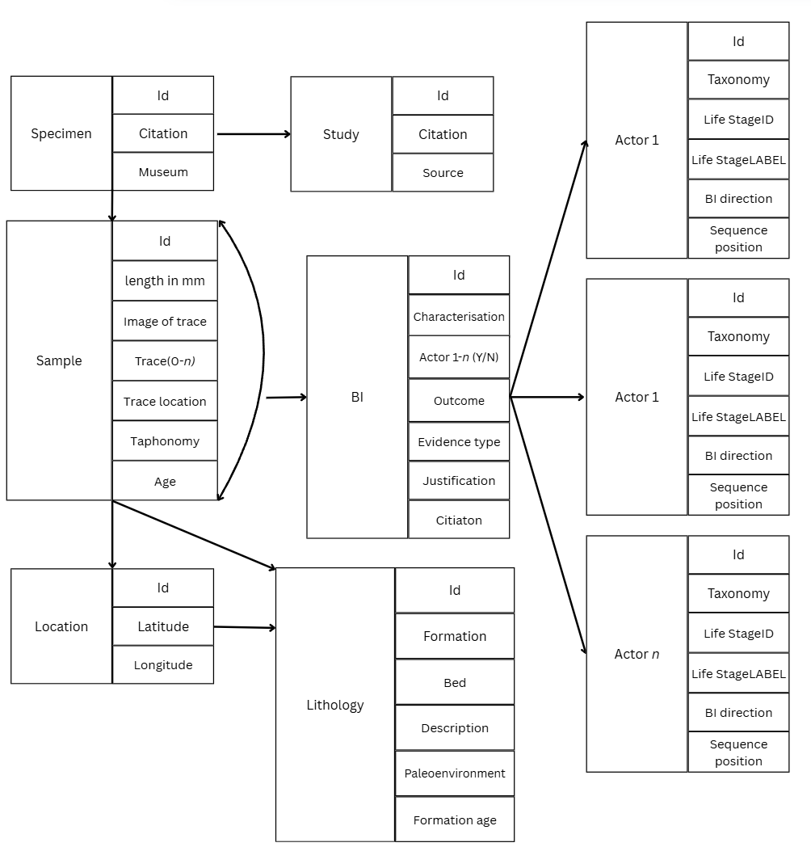
Dataframework after GloBI, adapted for fossil data | https://doi.org/10.1016/j.ecoinf.2014.08.005

See Supplemental Information for explanation.

